Sheet1
Ahmad Danial Zainudin, MSc, MSTA, CFTe
60 (3) 2082 6904
ahmaddanial.za@maybank-ib.com
ACTIVE MONTH | NYMEX WTI Crude Oil February 2020 |  |  |  |  |  | 2020-01-09
Last Trade 21st January 2020

Oil steadied as investors weighed the risk of further escalation in the conflict between the U.S. and Iran that has so far spared production and exports from the Middle East.
Futures were little changed on Thursday, back at levels they were before the U.S. airstrike that killed a top Iranian general last week after whipsawing between gains and losses on Wednesday. The Pentagon said it’s too early to tell what Iran will do next after President Donald Trump downplayed the impact of missile attacks on American military bases in Iraq, backing away from the precipice of war.
Oil has had a tumultuous start to the year after the killing of Iran’s most powerful military commander Qassem Soleimani on Trump’s orders, with Brent surging to near $72 a barrel immediately after retaliatory attacks from Iran on Wednesday. While Sky Arabia reported a new rocket attack targeting the Green Zone in Baghdad on Thursday, Goldman Sachs Group Inc. said this week that a disruption to physical supplies is needed to keep prices elevated.
Highlights
 |  |  |  |  | U.S. Crude Oil Figures (API & EIA)
 |  |  |  |  |  |  | Previous | Latest
 |  |  |  |  | API
 |  |  |  |  | Total Inventory |  | -7.8 | -5.9

 |  |  |  |  | EIA
 |  |  |  |  | Crude oil |  | -1.1 | -5.5
 |  |  |  |  | Gasoline |  | 2.0 | 2.5
 |  |  |  |  | Distillates |  | 1.5 | -0.2

 |  |  |  |  | *in million barrels

 |  |  |  |  | Today's Commodity Fair Value
 |  |  |  |  |  |  | Fair Price
 |  |  |  |  | NYMEX WTI Feb 20 |  | 59.49
 |  |  |  |  | ICE Brent Mar 20 |  | 64.21

 |  |  |  |  | *Source: Bloomberg |  | **At time of writing

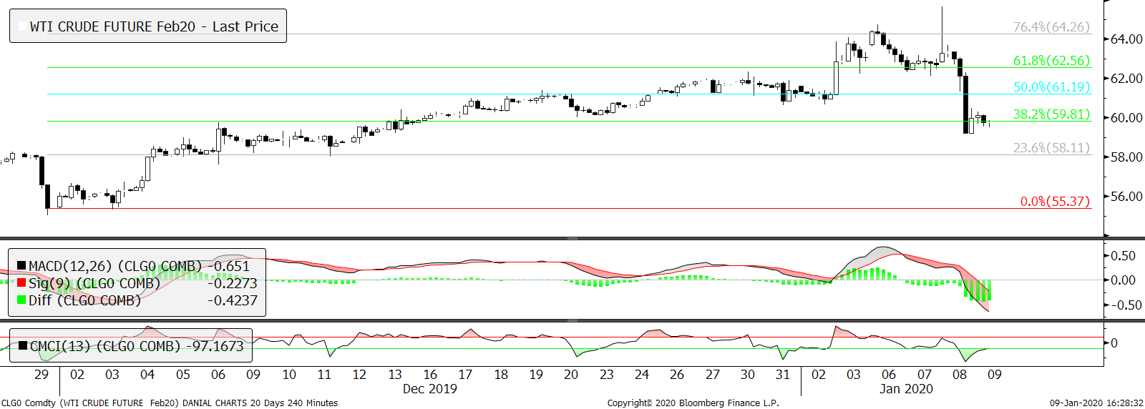
Technical Section
 |  |  |  |  | Pivot Values
 |  |  |  |  | 3rd Resistance |  | 74.47
 |  |  |  |  | 2nd Resistance |  | 67.97
 |  |  |  |  | 1st Resistance |  | 63.79
 |  |  |  |  | Last Price |  | 59.61
 |  |  |  |  | 1st Support |  | 57.29
 |  |  |  |  | 2nd Support |  | 54.97
 |  |  |  |  | 3rd Support |  | 48.47
 |  |  |  |  | Intraday Outlook
 |  |  |  |  | Momentum |  | Trend

 |  |  |  |  | Aggregate Open Interest
 |  |  |  | 2019-12-10 | Previous |  | Latest
 |  |  |  |  |  |  | 2,224,657
SMA 5 Days | SMA 20 Days | SMA 100 Days | RSI |  | Upper Bollinger |  | Lower Bollinger
61.65 | 60.92 | 56.57 | 46.56 |  | 63.33 |  | 58.50

Market Insight
Fundamental analysis are based on conclusive assessment of time varying key market movers. While technical analysis use a 4-hour chart to analyse the potential movement for intraday trading.

WARNING: TRADING IN FUTURES IS HIGHLY LEVERAGED AND CARRIES A HIGH DEGREE OF RISK WHICH MIGHT NOT BE SUITABLE FOR THE GENERAL PUBLIC. INVESTORS SHOULD CONSIDER WHETHER SUCH TRADING IS APPRORIATE IN LIGHT OF THEIR EXPERIENCE, OBJECTIVES, FINANCIAL RESOURCES AND OTHER RELEVANT FACTORS BEFORE COMMENCEMENT. The materials, information and functions provided in this report shall not under any circumstances be considered or construed as an offer or solicitation to sell, buy, give, take, issue, allot or transfer, or as the giving of any advice in respect of shares, stocks, bonds, notes, interests, unit trusts, mutual funds or other securities, investments, loans, advances, credits or deposits in any jurisdiction.

WARNING: TRADING IN FUTURES IS HIGHLY LEVERAGED AND CARRIES A HIGH DEGREE OF RISK WHICH MIGHT NOT BE SUITABLE FOR THE GENERAL PUBLIC. INVESTORS SHOULD CONSIDER WHETHER SUCH TRADING IS APPRORIATE IN LIGHT OF THEIR EXPERIENCE, OBJECTIVES, FINANCIAL RESOURCES AND OTHER RELEVANT FACTORS BEFORE COMMENCEMENT
The materials, information and functions provided in this report shall not under any circumstances be considered or construed as an offer or solicitation to sell, buy, give, take, issue, allot or transfer, or as the giving of any advice in respect of shares, stocks, bonds, notes, interests, unit trusts, mutual funds or other securities, investments, loans, advances, credits or deposits in any jurisdiction

